London Link
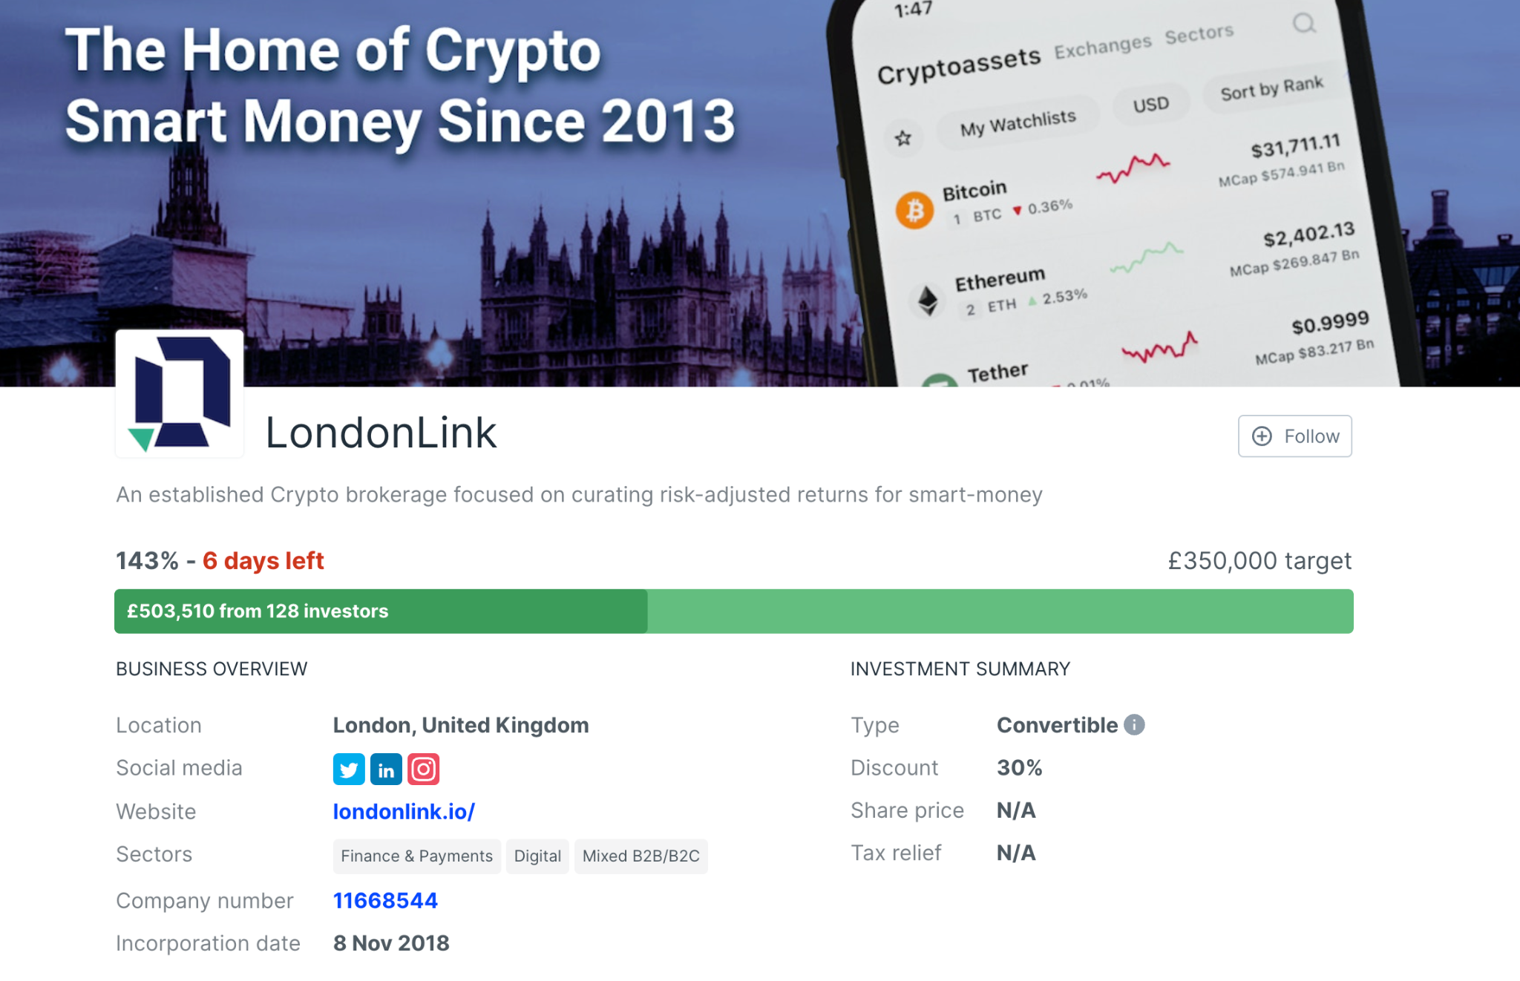
Buyers Club Portfolio | Closed

London Link | Notes | Link
Will be sent out: | You invest through SEEDrs and will get shares
Wallet needed: | N/A
Price you got to buy if for: | 100 GBP = approximately 19 shares. But you will get a discount at this round. You will get a 30% discount for
Minimum investment | 10 GBP
Exchange it is on: | To Be Decided
Contract address: | NA
Link to video for further instructions:
Get in contact with the team: | finance@londonlink.io
Link to website for the investment: | https://londonlink.io/
Where you can get updates outside this document: | https://www.seedrs.com/londonlink/
Deadline | Closed, oversubscribed. See Picture below.

Further comments:
Actions to take now, If you want to invest you need to do the following:
Go to https://www.seedrs.com/londonlink/ and do KYC and create an account. Invest in London Link and follow instructions: Send an email to sensuminvestments@gmail.com with this Headline: London Link 1. Name 2. Email for account 3. Amount you will invest (You can add to this later as well if you like)

1. Firstly, if you go to this link you should see the campaign page: https://www.seedrs.com/londonlink

2. Next step, if you scroll down you should see a green button, which will say either "Become authorised to invest" or "Invest" - go ahead and click this button.

3. It will then take you through the steps to either finish setting up your account or straight to the page where you can input your investment.

I hope that helps, but if you have any issues with this, do let me know.

Restricted countries: Canada

Hi Dennis,

Hope you've had a great Easter break!

Here is a link to the live public pitch: https://www.seedrs.com/londonlink?utm_campaign=londonlink&utm_source=investment_mastery

We've pushed out the following message yesterday (updated to reflect latest numbers - original update here: https://www.seedrs.com/londonlink/sections/updates)

Our fundraise is public! Our round is already over 91% subscribed with 84 investors and over £321k committed so far, thank you to each and every one of you that has supported our campaign so far! We welcome everyone else who hasn't had a chance to invest to jump in and share in our journey now that the campaign is public and the countdown has begun.

If you haven't seen our pitch deck yet, please do request access to it here: https://www.seedrs.com/londonlink/sections/docu...

If you have any questions, do feel free to drop these into our public discussion board here: https://www.seedrs.com/londonlink/sections/disc...

And we will be hosting a live webinar during the campaign so stay tuned for further announcements.

We hope you have a great rest of the week and we look forward to welcoming you on board!

Is that helpful or do you need anything else to be added?

SEOUL STAR
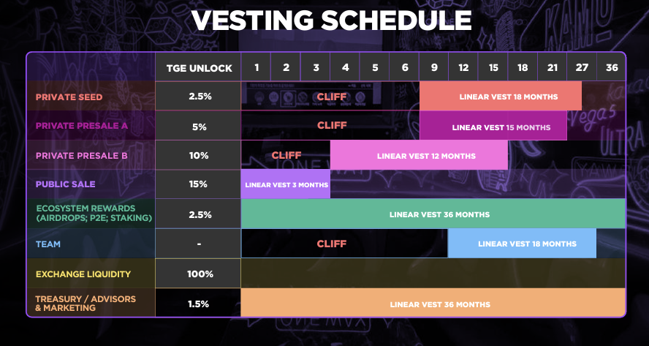
Buyers Club Portfolio | Closed

Seoul Stars | Notes | Link
Will be sent out: | We are getting in at the Private SEED round: Lockup period? 2.5% TGE unlock, 6 month cliff; 18 month linear vest (24 month total) - these are standard seed round terms
Wallet needed: | Please create a wallet on Phantom if you have not. | https://phantom.app/
Price you got to buy if for: | 0.015 USD (50% bonus)
Min. Investment | 250 USDC
What the price is now: | N/A
Exchange it is on: | N/A
Contract address: | N/A
Link to video for further instructions: | https://vimeo.com/736787089/29fd9534fd
Get in contact with the team:
Link to website for the investment: | https://seoulstars.io/

Further comments:
Actions to take now:
We are invested, no actions to take at this moment. More information will follow.

Older information:

Make sure you look at their website and team. In a nutshell; K-Pop Virtual Idol and Play-To-Earn Rhythm and Karaoke Game on Solana

Whitepaper: | https://seoulstars.io/wp-content/uploads/2022/05/Seoul-Stars-Whitepaper-2.pdf
Pitchdeck: | https://seoulstars.io/wp-content/uploads/2022/06/Seoul-Stars-Pitch-Deck_compressed.pdf
Twitter: | https://twitter.com/seoulstarsnft?lang=en

Watch Video to see how to participate: | https://vimeo.com/736787089/29fd9534fd

1. Set Up Phantom Wallet
2. Send USDC to Seoul Star Wallet (Min Investment: 250 USDC): BJ9G6b3kmPjh9avWAhLrYT3F1NeLYmmH1GEKmkfNEiFN | BJ9G6b3kmPjh9avWAhLrYT3F1NeLYmmH1GEKmkfNEiFN
3. Send an email to sensuminvestments@gmail.com with the following info:
- Name:
- Amount of investment:
- Email you use for investing:
- Your SOL address from SOL address (Can be from Phantom alone or by connected it to ledger)
Email: | hang@catheongaming.com
Deadline: | 2nd of September

Interview: | https://vimeo.com/736671543/937583e83f

Write to sensuminvestments@gmail.com if you have questions!

